Disclaimer
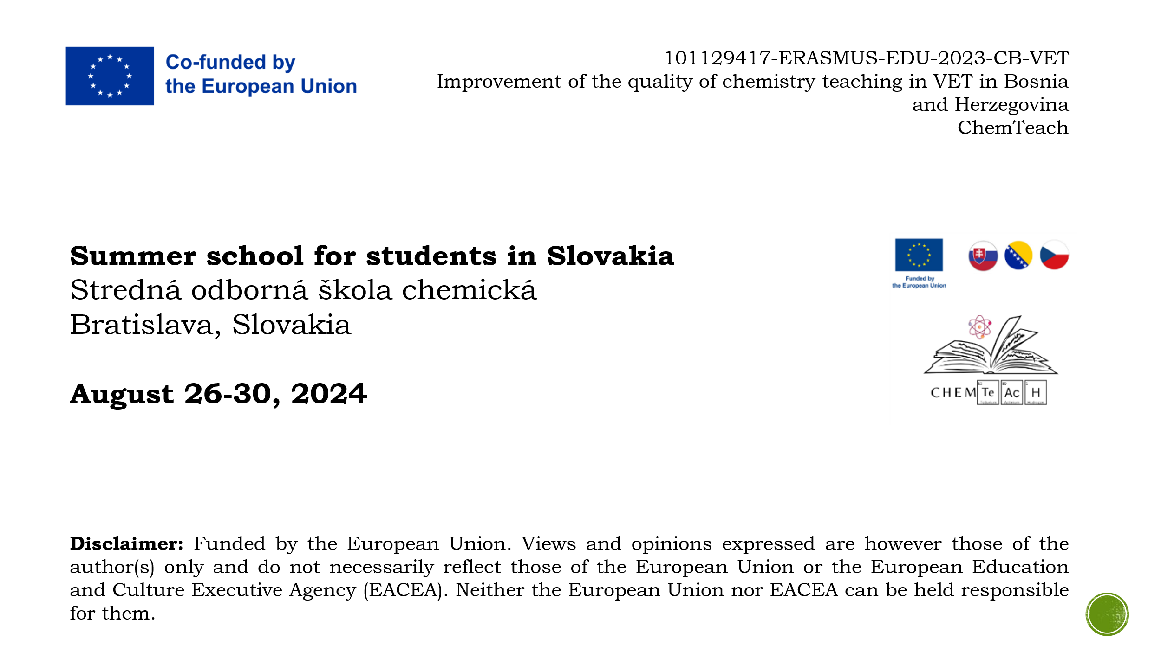

Calibration curve
Determination of sucrose in soft drinks (DNSA method) |  |  |  |  |  | Insert graph here.
Calibration curve Determination of sucrose
Table 5 Absorbance of standards
Standard | cm | A
 | (mg.dl-1)
0 | 0 | 0.000
1 | 20 | 0.018
2 | 40 | 0.050
3 | 60 | 0.094
4 | 80 | 0.128
5 | 100 | 0.153

Table 6 Absorbance of standards
Sample | Name | A
S1 | Redbull | 0.101
S2
S3

Table 7 Parameters of linear regression
a | b | R2
0.0016271428571 | -0.0075238095238 | 0.98870749146

Table 8 Concentrations of sugar in soft drink samples
Sample | Name | cm(diluted) | Df | cm(original) | cm(original)
 |  | (mg.dl-1) |  | (mg.dl-1) | (g.dl-1)
S1 | Redbull | 66.6959 | 200 | 13339.186421 | 13.3392
S2 |  | 4.6239 |  | 0 | 0.0000
S3 |  | 4.6239 |  | 0 | 0.0000

