Disclaimer
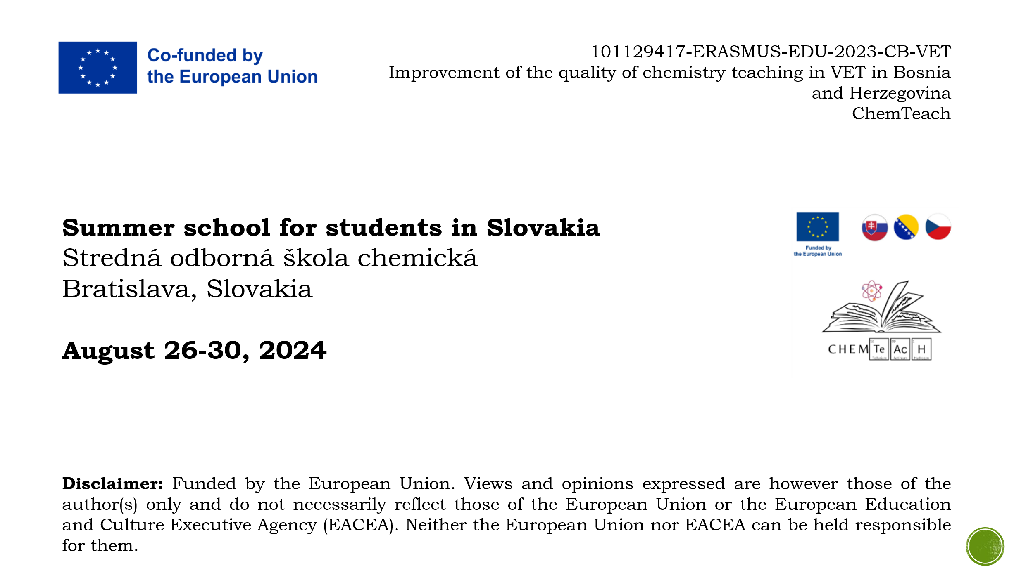

Calibration curve
Calibration curve Determination of salicylic acid
Determination of salicylic acid
Calibration curve method

Table 5 Absorbance of standard solutions (Calibration curve method)
Standard | cm(SA) | m(SA) | A
 | (mg.l-1) | (mg)
0 | 0.000 | 0 | 0.000
1 | 0.008 | 0.4 | 0.106
2 | 0.016 | 0.8 | 0.211
3 | 0.024 | 1.2 | 0.319
4 | 0.032 | 1.6 | 0.416
5 | 0.040 | 2 | 0.523
6 | 0.048 | 2.4 | 0.623

Table 6 Absorbance of samples (Calibration curve method)
Sample | m(sample) | V(sample) | A
 | (g) | (ml)
S1 | 0.5986 | 50 | 0.408
S2
S3

Calibration curve Determination of salicylic acid
Table 9 Parameters of regression Line (Calibration curve method)
Curve | a | b | r2
c(SA) | 12.9821 | 0.0024 | 0.9999
m(SA) | 0.2596 | 0.0024 | 0.9999

Table 10 Concentration of salicylic acid in samples (Calibration curve method)
Sample | m(sample) | V(sample) | A | cm(SA) | m(SA) | w(SA) | w(SA)
 | (g) | (ml) |  | (mg.ml-1) | (mg) | (mg.g-1) | (%)
S1 | 0.5986 | 50 | 0.408 | 0.0312 | 1.5620 | 0.0026 | 0.2609
S2
S3

