Disclaimer
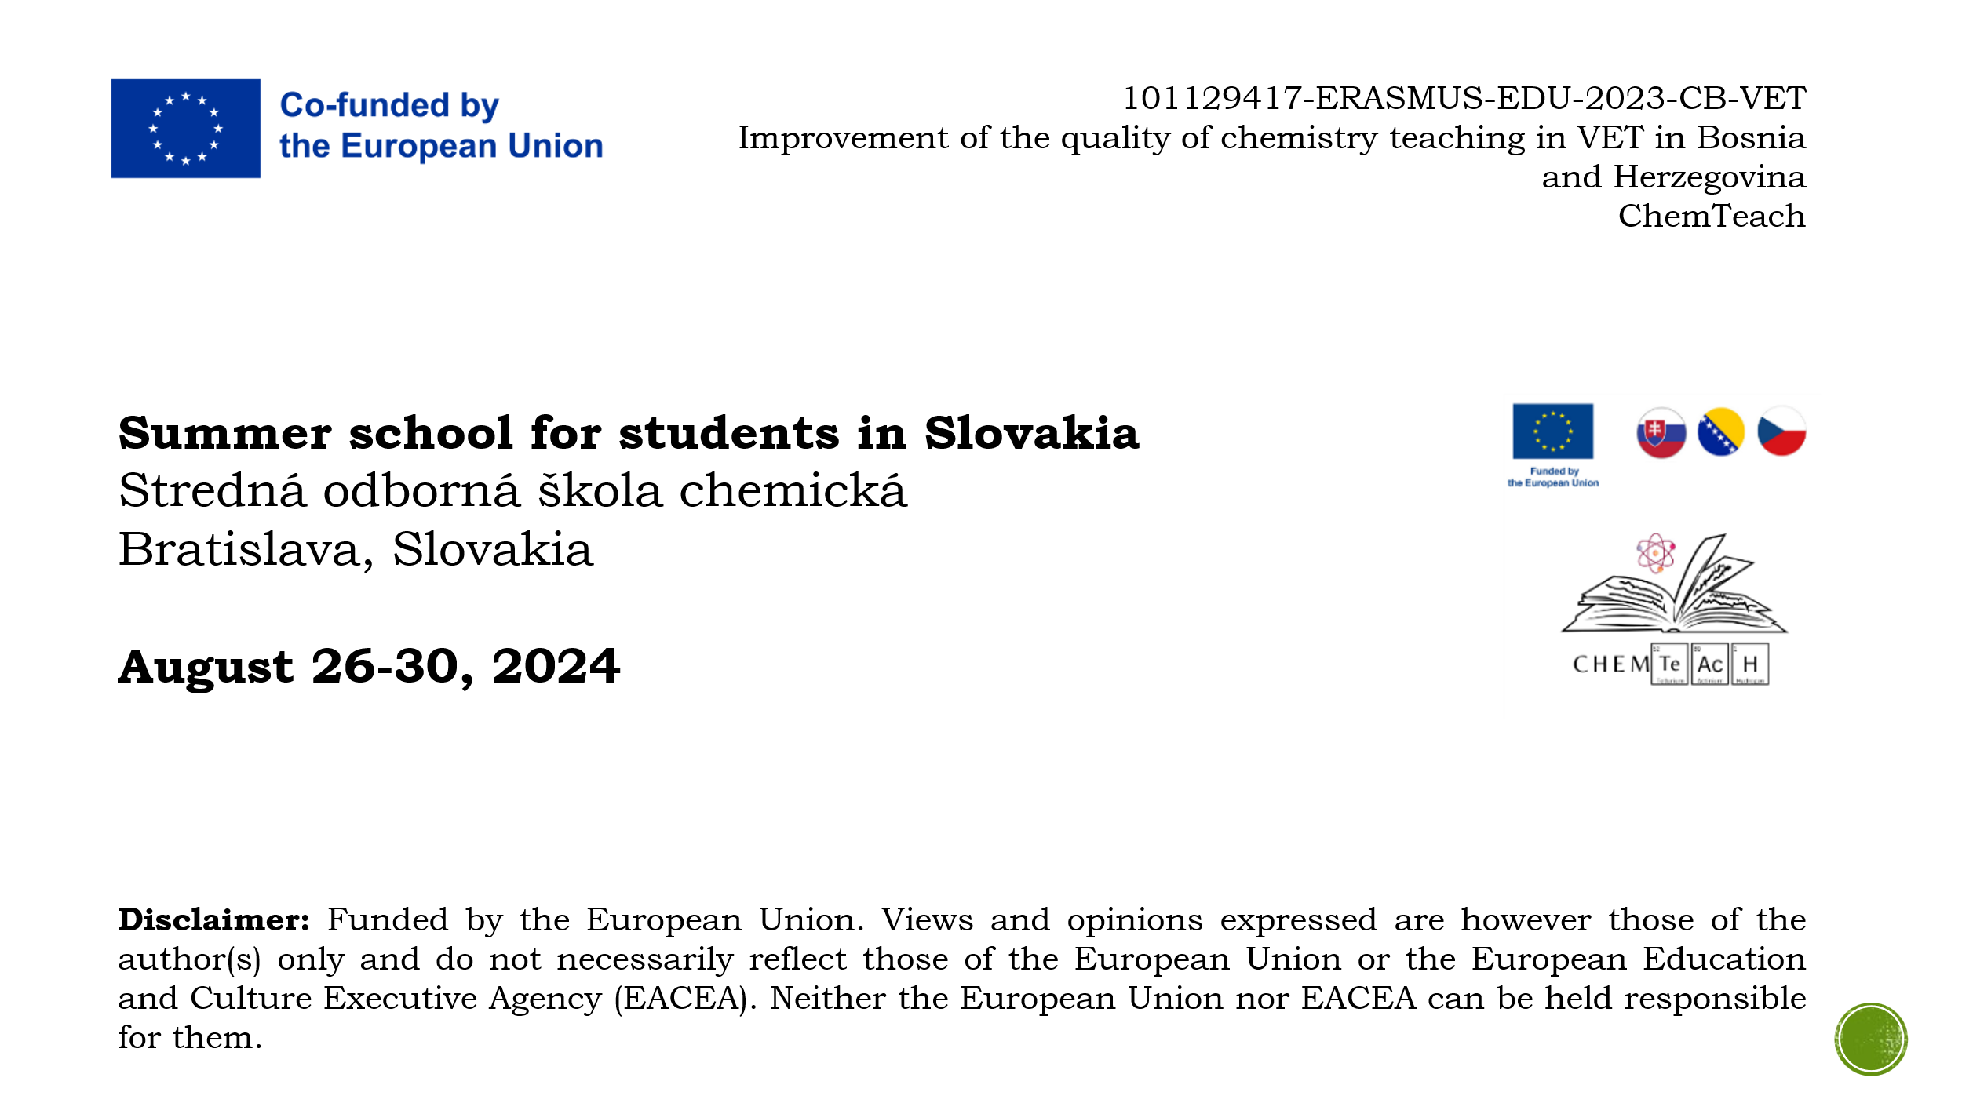

Determination
Determination of ethanol by refractometry |  |  |  |  |  |  | Insert graph here.
Refractive index vs. Ethanol volume fraction
Table 3 Refractive index of calibration solutions
Standard | f(etOH) | nD20(1) | nD20(2) | nD20
 | (%)
0 | 0 | 1.333 | 1.333 | 1.333
1 | 10 | 1.335 | 1.336 | 1.336
2 | 20 | 1.343 | 1.344 | 1.344
3 | 30 | 1.349 | 1.349 | 1.349
4 | 40 | 1.352 | 1.354 | 1.353

Table 5 Linear regression
a | b | r2
0.000535 | 1.3321 | 0.9792

Table 4 Refractive index of sample
Sample | nD20(1) | nD20(2) | nD20 | f(etOH, diluted solution) | F | f(etOH, original solution)
 |  |  |  | (%)
S1 | 1.346 | 1.346 | 1.346 | 25.98 | 2 | 51.96

TABLE 6 ABSOLUTE AND RELATIVE ERROR
X |  | true value (given by instructor)
x | 51.9626 | measured value
e | 51.9626 | absolute error
er | #DIV/0! | relative error
er (%) | #DIV/0!

